Sheet1
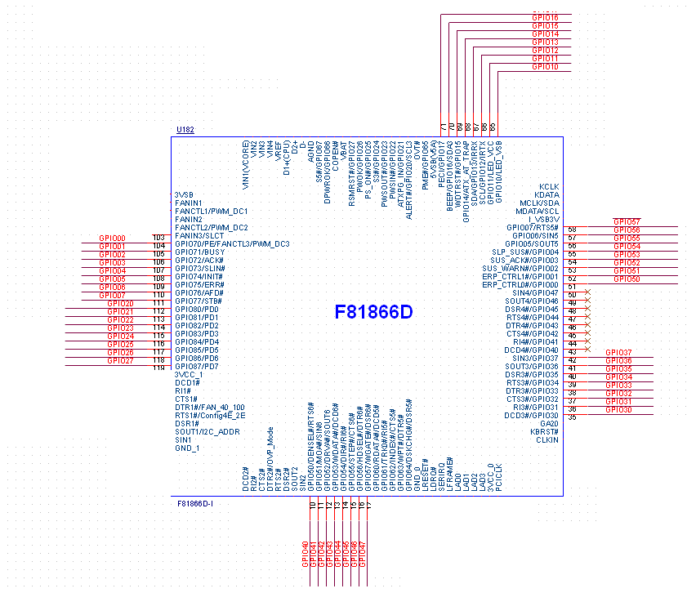
F81866 | IO(J1) | BIOS SETTING | F81866 | IO(J2) | BIOS SETTING | F81866 | IO(J3) | BIOS SETTING
GPIO70 | GPIO00 | OUT | GPIO10 | GPIO10 | OUT | GPIO80 | GPIO20 | OUT
GPIO71 | GPIO01 | OUT | GPIO11 | GPIO11 | OUT | GPIO81 | GPIO21 | IN
GPIO72 | GPIO02 | OUT | GPIO12 | GPIO12 | OUT | GPIO82 | GPIO22 | IN
GPIO73 | GPIO03 | IN | GPIO13 | GPIO13 | OUT | GPIO83 | GPIO23 | IN
GPIO74 | GPIO04 | IN | GPIO14 | GPIO14 | OUT | GPIO84 | GPIO24 | IN
GPIO75 | GPIO05 | IN | GPIO15 | GPIO15 | OUT | GPIO85 | GPIO25 | IN
GPIO76 | GPIO06 | OUT | GPIO16 | GPIO16 | OUT | GPIO86 | GPIO26 | IN
GPIO77 | GPIO07 | OUT | GPIO17 | GPIO17 | IN | GPIO87 | GPIO27 | IN
F81866 | IO(J4) | BIOS SETTING | F81866 | IO(J5) | BIOS SETTING | F81866 | IO(J6) | BIOS SETTING
GPIO30 | GPIO30 | OUT | GPIO50 | GPIO40 | OUT | GPIO00 | GPIO50 | OUT
GPIO31 | GPIO31 | OUT | GPIO51 | GPIO41 | OUT | GPIO01 | GPIO51 | OUT
GPIO32 | GPIO32 | OUT | GPIO52 | GPIO42 | OUT | GPIO02 | GPIO52 | IN
GPIO33 | GPIO33 | IN | GPIO53 | GPIO43 | OUT | GPIO03 | GPIO53 | IN
GPIO34 | GPIO34 | IN | GPIO54 | GPIO44 | OUT | GPIO04 | GPIO54 | IN
GPIO35 | GPIO35 | IN | GPIO55 | GPIO45 | OUT | GPIO05 | GPIO55 | IN
GPIO36 | GPIO36 | IN | GPIO56 | GPIO46 | IN | GPIO06 | GPIO56 | IN
GPIO37 | GPIO37 | IN | GPIO57 | GPIO47 | IN | GPIO07 | GPIO57 | IN

213 | GPIO7X
217 | GPIO1X
212 | GPIO8X
214 | GPIO3X
215 | GPIO5X
216 | GPIO0X

